eet1_QEF1628_OG35_T5-750-2-7_SC
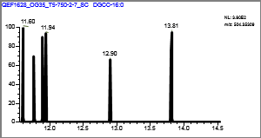
Confirmation Report
Lab Name: | OGL
Instrument: | QEFocus |  |  |  | Method: | Known_IPLs_Marine_11_14_2018_Known_IPLs_Marine_11_14_2018
User: | Thermo |  |  |  |  | Known_IPLs_Marine_11_14_2018
Batch: | Known_IPLs_Marine_11_14_2018 |  |  |  | Cali File: | Known_IPLs_Marine_11_14_2018.calx

Vial Pos | Sample ID |  | File Name | Level | Sample Name |  | File Date | Comment
RC6 | 1 |  | QEF1628_OG35_T5-750-2-7_SC | N/A |  |  | 8/1/2018

MGDG-36:5 |  |  |  |  |  | Quan Peak: | m/z777.55112 mz
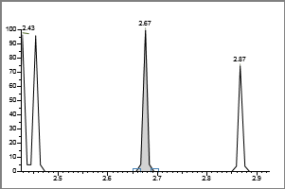

 | Injected |  | Sample | Flags
Conc: | N/A |  | N/A

Retention Time: |  | 2.67
Area: |  | 521
Height: |  | 861

 | **MANUAL SETTINGS**

Calibration Curve
 |  |  |  |  |  | Qual Ion 1: | N/A mz

 |  |  |  |  |  | Qual Ion 2: | N/A mz
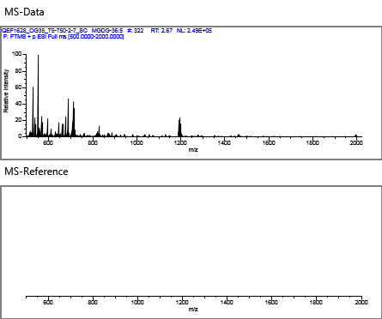

 |  |  |  |  |  | Overlay
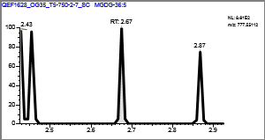

MGDG-19:2 |  |  |  |  |  | Quan Peak: | m/z549.36332 mz
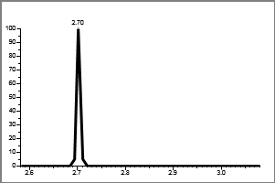

 | Injected |  | Sample | Flags
Conc: | N/A |  | N/A

Retention Time: |  | 0.00
Area: |  | 497
Height: |  | 440

 | **MANUAL SETTINGS**

Calibration Curve
 |  |  |  |  |  | Qual Ion 1: | N/A mz

 |  |  |  |  |  | Qual Ion 2: | N/A mz
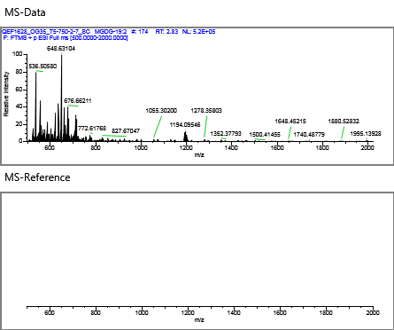

 |  |  |  |  |  | Overlay
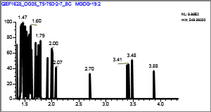

MGDG |  |  |  |  |  | Quan Peak: | m/z775.53547 mz
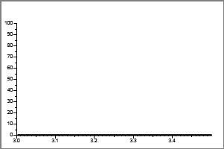

 | Injected |  | Sample | Flags
Conc: | N/A |  | N/A

Retention Time: |  | 0.00
Area: |  | 1049
Height: |  | 1069

 | **MANUAL SETTINGS**

Calibration Curve
 |  |  |  |  |  | Qual Ion 1: | N/A mz

 |  |  |  |  |  | Qual Ion 2: | N/A mz
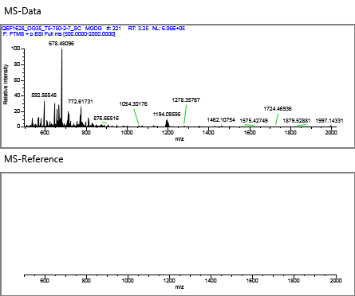

 |  |  |  |  |  | Overlay
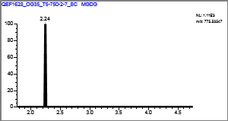

MGDG-30:1 |  |  |  |  |  | Quan Peak: | m/z718.54637 mz
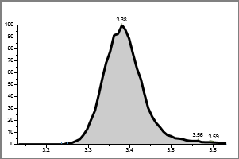

 | Injected |  | Sample | Flags
Conc: | N/A |  | N/A

Retention Time: |  | 3.38
Area: |  | 1692528
Height: |  | 262092

 | **MANUAL SETTINGS**

Calibration Curve
 |  |  |  |  |  | Qual Ion 1: | N/A mz

 |  |  |  |  |  | Qual Ion 2: | N/A mz
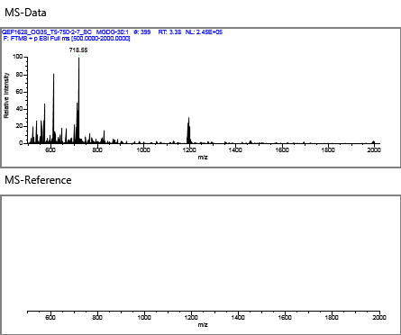

 |  |  |  |  |  | Overlay
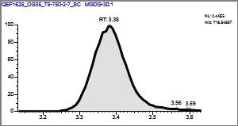

MGDG-36:10 |  |  |  |  |  | Quan Peak: | m/z784.49942 mz
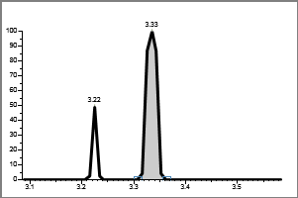

 | Injected |  | Sample | Flags
Conc: | N/A |  | N/A

Retention Time: |  | 3.33
Area: |  | 2212
Height: |  | 1428

 | **MANUAL SETTINGS**

Calibration Curve
 |  |  |  |  |  | Qual Ion 1: | N/A mz

 |  |  |  |  |  | Qual Ion 2: | N/A mz
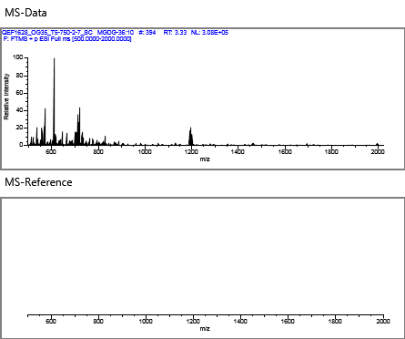

 |  |  |  |  |  | Overlay
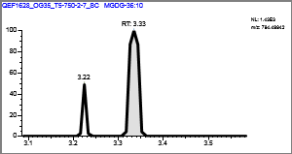

MGDG-28:0 |  |  |  |  |  | Quan Peak: | m/z692.53072 mz
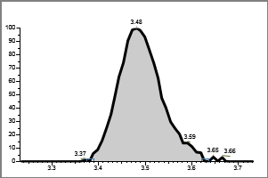

 | Injected |  | Sample | Flags
Conc: | N/A |  | N/A

Retention Time: |  | 3.48
Area: |  | 395009
Height: |  | 61286

 | **MANUAL SETTINGS**

Calibration Curve
 |  |  |  |  |  | Qual Ion 1: | N/A mz

 |  |  |  |  |  | Qual Ion 2: | N/A mz
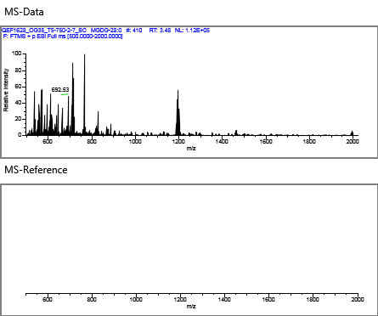

 |  |  |  |  |  | Overlay
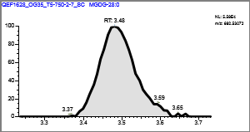

MGDG-34:5 |  |  |  |  |  | Quan Peak: | m/z747.50417 mz
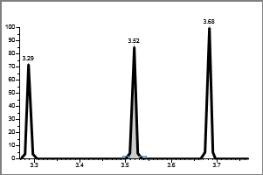

 | Injected |  | Sample | Flags
Conc: | N/A |  | N/A

Retention Time: |  | 3.52
Area: |  | 550
Height: |  | 910

 | **MANUAL SETTINGS**

Calibration Curve
 |  |  |  |  |  | Qual Ion 1: | N/A mz

 |  |  |  |  |  | Qual Ion 2: | N/A mz


 |  |  |  |  |  | Overlay
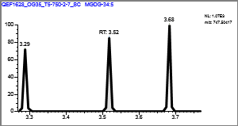

MGDG-36:4 |  |  |  |  |  | Quan Peak: | m/z779.56677 mz
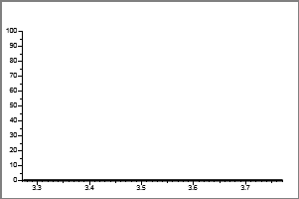

 | Injected |  | Sample | Flags
Conc: | N/A |  | N/A

Retention Time: |  | 0.00
Area: |  | 820
Height: |  | 688

 | **MANUAL SETTINGS**

Calibration Curve
 |  |  |  |  |  | Qual Ion 1: | N/A mz

 |  |  |  |  |  | Qual Ion 2: | N/A mz
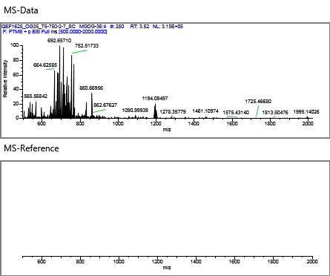

 |  |  |  |  |  | Overlay
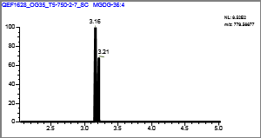

MGDG-32:2 |  |  |  |  |  | Quan Peak: | m/z742.54637 mz
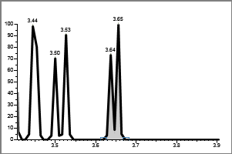

 | Injected |  | Sample | Flags
Conc: | N/A |  | N/A

Retention Time: |  | 3.65
Area: |  | 932
Height: |  | 890

 | **MANUAL SETTINGS**

Calibration Curve
 |  |  |  |  |  | Qual Ion 1: | N/A mz

 |  |  |  |  |  | Qual Ion 2: | N/A mz
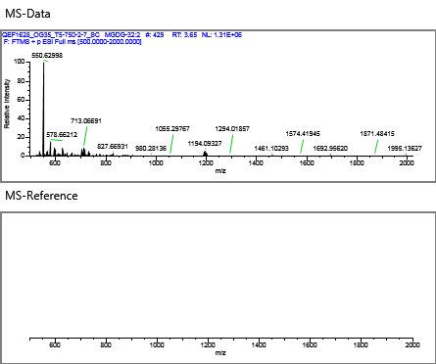

 |  |  |  |  |  | Overlay
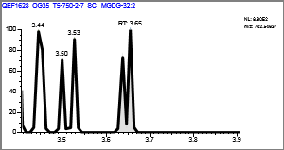

MGDG-33:0 |  |  |  |  |  | Quan Peak: | m/z760.59332 mz
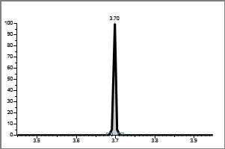

 | Injected |  | Sample | Flags
Conc: | N/A |  | N/A

Retention Time: |  | 3.70
Area: |  | 581
Height: |  | 1237

 | **MANUAL SETTINGS**

Calibration Curve
 |  |  |  |  |  | Qual Ion 1: | N/A mz

 |  |  |  |  |  | Qual Ion 2: | N/A mz
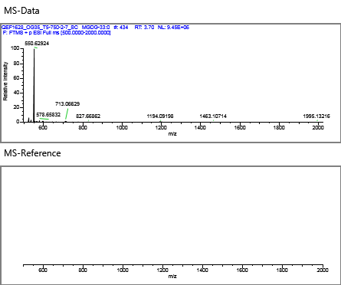

 |  |  |  |  |  | Overlay
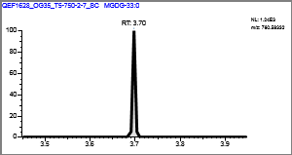

MGDG-31:0 |  |  |  |  |  | Quan Peak: | m/z717.55112 mz
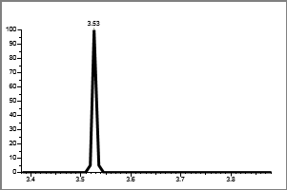

 | Injected |  | Sample | Flags
Conc: | N/A |  | N/A

Retention Time: |  | 0.00
Area: |  | 1068
Height: |  | 1767

 | **MANUAL SETTINGS**

Calibration Curve
 |  |  |  |  |  | Qual Ion 1: | N/A mz

 |  |  |  |  |  | Qual Ion 2: | N/A mz
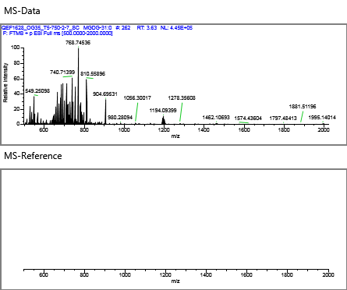

 |  |  |  |  |  | Overlay
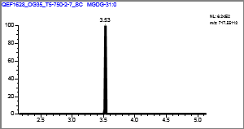

MGDG-36:0 |  |  |  |  |  | Quan Peak: | m/z787.62938 mz
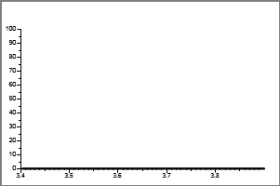

 | Injected |  | Sample | Flags
Conc: | N/A |  | N/A

Retention Time: |  | 0.00
Area: |  | 432
Height: |  | 714

 | **MANUAL SETTINGS**

Calibration Curve
 |  |  |  |  |  | Qual Ion 1: | N/A mz

 |  |  |  |  |  | Qual Ion 2: | N/A mz
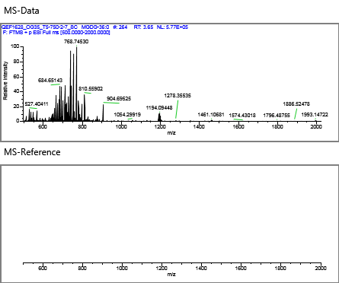

 |  |  |  |  |  | Overlay
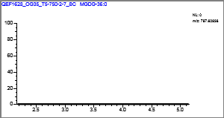

MGDG-28:1 |  |  |  |  |  | Quan Peak: | m/z673.48852 mz
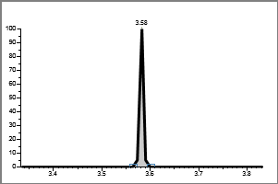

 | Injected |  | Sample | Flags
Conc: | N/A |  | N/A

Retention Time: |  | 3.58
Area: |  | 390
Height: |  | 644

 | **MANUAL SETTINGS**

Calibration Curve
 |  |  |  |  |  | Qual Ion 1: | N/A mz

 |  |  |  |  |  | Qual Ion 2: | N/A mz
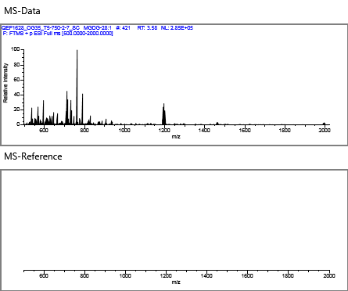

 |  |  |  |  |  | Overlay
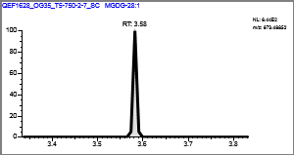

MGDG-30:0 |  |  |  |  |  | Quan Peak: | m/z720.56202 mz
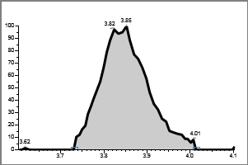

 | Injected |  | Sample | Flags
Conc: | N/A |  | N/A

Retention Time: |  | 3.85
Area: |  | 384477
Height: |  | 51188

 | **MANUAL SETTINGS**

Calibration Curve
 |  |  |  |  |  | Qual Ion 1: | N/A mz

 |  |  |  |  |  | Qual Ion 2: | N/A mz
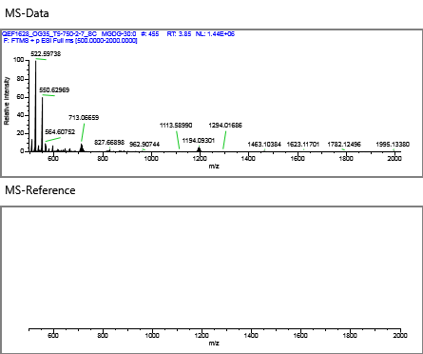

 |  |  |  |  |  | Overlay
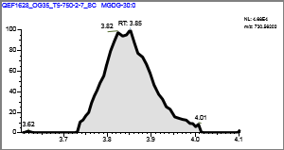

Gly-Cer-22:2 |  |  |  |  |  | Quan Peak: | m/z586.43134 mz
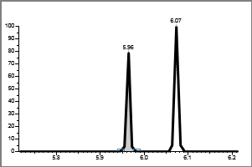

 | Injected |  | Sample | Flags
Conc: | N/A |  | N/A

Retention Time: |  | 5.96
Area: |  | 279
Height: |  | 462

 | **MANUAL SETTINGS**

Calibration Curve
 |  |  |  |  |  | Qual Ion 1: | N/A mz

 |  |  |  |  |  | Qual Ion 2: | N/A mz
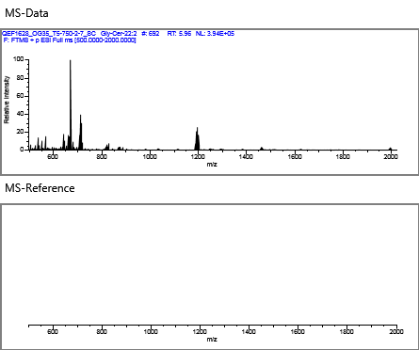

 |  |  |  |  |  | Overlay
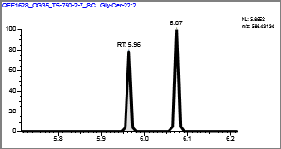

Gly-Cer-25:6 |  |  |  |  |  | Quan Peak: | m/z592.38439 mz
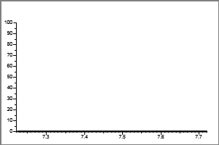

 | Injected |  | Sample | Flags
Conc: | N/A |  | N/A

Retention Time: |  | 0.00
Area: |  | 539
Height: |  | 892

 | **MANUAL SETTINGS**

Calibration Curve
 |  |  |  |  |  | Qual Ion 1: | N/A mz

 |  |  |  |  |  | Qual Ion 2: | N/A mz
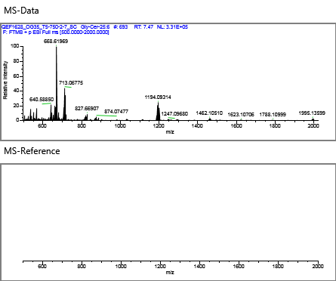

 |  |  |  |  |  | Overlay
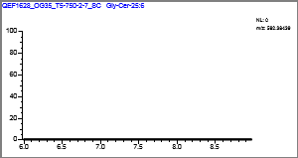

DGTS-40:1 |  |  |  |  |  | Quan Peak: | m/z822.71813 mz
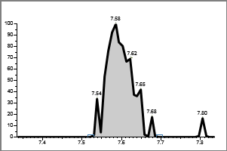

 | Injected |  | Sample | Flags
Conc: | N/A |  | N/A

Retention Time: |  | 7.58
Area: |  | 20936
Height: |  | 5482

 | **MANUAL SETTINGS**

Calibration Curve
 |  |  |  |  |  | Qual Ion 1: | N/A mz

 |  |  |  |  |  | Qual Ion 2: | N/A mz
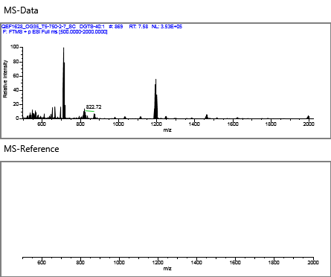

 |  |  |  |  |  | Overlay


DGTS-36:2 |  |  |  |  |  | Quan Peak: | m/z784.60617 mz


 | Injected |  | Sample | Flags
Conc: | N/A |  | N/A

Retention Time: |  | 0.00
Area: |  | 13247
Height: |  | 3701

 | **MANUAL SETTINGS**

Calibration Curve
 |  |  |  |  |  | Qual Ion 1: | N/A mz

 |  |  |  |  |  | Qual Ion 2: | N/A mz


 |  |  |  |  |  | Overlay


DGTS-36:4 |  |  |  |  |  | Quan Peak: | m/z758.59293 mz


 | Injected |  | Sample | Flags
Conc: | N/A |  | N/A

Retention Time: |  | 7.63
Area: |  | 499
Height: |  | 826

 | **MANUAL SETTINGS**

Calibration Curve
 |  |  |  |  |  | Qual Ion 1: | N/A mz

 |  |  |  |  |  | Qual Ion 2: | N/A mz


 |  |  |  |  |  | Overlay


DGTS-34:2 |  |  |  |  |  | Quan Peak: | m/z736.60858 mz


 | Injected |  | Sample | Flags
Conc: | N/A |  | N/A

Retention Time: |  | 7.70
Area: |  | 161346
Height: |  | 31690

 | **MANUAL SETTINGS**

Calibration Curve
 |  |  |  |  |  | Qual Ion 1: | N/A mz

 |  |  |  |  |  | Qual Ion 2: | N/A mz


 |  |  |  |  |  | Overlay


DGTS-32:1 |  |  |  |  |  | Quan Peak: | m/z710.59293 mz


 | Injected |  | Sample | Flags
Conc: | N/A |  | N/A

Retention Time: |  | 7.75
Area: |  | 298077
Height: |  | 54059

 | **MANUAL SETTINGS**

Calibration Curve
 |  |  |  |  |  | Qual Ion 1: | N/A mz

 |  |  |  |  |  | Qual Ion 2: | N/A mz


 |  |  |  |  |  | Overlay


DGTS-36:6 |  |  |  |  |  | Quan Peak: | m/z754.56163 mz


 | Injected |  | Sample | Flags
Conc: | N/A |  | N/A

Retention Time: |  | 0.00
Area: |  | 1228
Height: |  | 754

 | **MANUAL SETTINGS**

Calibration Curve
 |  |  |  |  |  | Qual Ion 1: | N/A mz

 |  |  |  |  |  | Qual Ion 2: | N/A mz


 |  |  |  |  |  | Overlay


DGTS |  |  |  |  |  | Quan Peak: | m/z712.60858 mz


 | Injected |  | Sample | Flags
Conc: | N/A |  | N/A

Retention Time: |  | 7.77
Area: |  | 188238
Height: |  | 40901

 | **MANUAL SETTINGS**

Calibration Curve
 |  |  |  |  |  | Qual Ion 1: | N/A mz

 |  |  |  |  |  | Qual Ion 2: | N/A mz


 |  |  |  |  |  | Overlay


DGTS-34:4 |  |  |  |  |  | Quan Peak: | m/z732.57728 mz


 | Injected |  | Sample | Flags
Conc: | N/A |  | N/A

Retention Time: |  | 7.69
Area: |  | 7638
Height: |  | 2442

 | **MANUAL SETTINGS**

Calibration Curve
 |  |  |  |  |  | Qual Ion 1: | N/A mz

 |  |  |  |  |  | Qual Ion 2: | N/A mz


 |  |  |  |  |  | Overlay


DGTS-30:1 |  |  |  |  |  | Quan Peak: | m/z682.56163 mz


 | Injected |  | Sample | Flags
Conc: | N/A |  | N/A

Retention Time: |  | 7.82
Area: |  | 294134
Height: |  | 61855

 | **MANUAL SETTINGS**

Calibration Curve
 |  |  |  |  |  | Qual Ion 1: | N/A mz

 |  |  |  |  |  | Qual Ion 2: | N/A mz


 |  |  |  |  |  | Overlay


DGTS-36:5 |  |  |  |  |  | Quan Peak: | m/z756.57728 mz


 | Injected |  | Sample | Flags
Conc: | N/A |  | N/A

Retention Time: |  | 7.67
Area: |  | 8632
Height: |  | 8845

 | **MANUAL SETTINGS**

Calibration Curve
 |  |  |  |  |  | Qual Ion 1: | N/A mz

 |  |  |  |  |  | Qual Ion 2: | N/A mz


 |  |  |  |  |  | Overlay


DGTS-31:0 |  |  |  |  |  | Quan Peak: | m/z698.59293 mz


 | Injected |  | Sample | Flags
Conc: | N/A |  | N/A

Retention Time: |  | 7.80
Area: |  | 213258
Height: |  | 56089

 | **MANUAL SETTINGS**

Calibration Curve
 |  |  |  |  |  | Qual Ion 1: | N/A mz

 |  |  |  |  |  | Qual Ion 2: | N/A mz


 |  |  |  |  |  | Overlay


DGTS-29:0 |  |  |  |  |  | Quan Peak: | m/z670.56163 mz


 | Injected |  | Sample | Flags
Conc: | N/A |  | N/A

Retention Time: |  | 7.85
Area: |  | 356711
Height: |  | 101532

 | **MANUAL SETTINGS**

Calibration Curve
 |  |  |  |  |  | Qual Ion 1: | N/A mz

 |  |  |  |  |  | Qual Ion 2: | N/A mz


 |  |  |  |  |  | Overlay


DGTS-34:0 |  |  |  |  |  | Quan Peak: | m/z740.63988 mz


 | Injected |  | Sample | Flags
Conc: | N/A |  | N/A

Retention Time: |  | 7.72
Area: |  | 36871
Height: |  | 8923

 | **MANUAL SETTINGS**

Calibration Curve
 |  |  |  |  |  | Qual Ion 1: | N/A mz

 |  |  |  |  |  | Qual Ion 2: | N/A mz


 |  |  |  |  |  | Overlay


DGTS-34:1 |  |  |  |  |  | Quan Peak: | m/z738.62423 mz


 | Injected |  | Sample | Flags
Conc: | N/A |  | N/A

Retention Time: |  | 7.69
Area: |  | 205982
Height: |  | 43347

 | **MANUAL SETTINGS**

Calibration Curve
 |  |  |  |  |  | Qual Ion 1: | N/A mz

 |  |  |  |  |  | Qual Ion 2: | N/A mz


 |  |  |  |  |  | Overlay


DGTS-34:3 |  |  |  |  |  | Quan Peak: | m/z734.59293 mz


 | Injected |  | Sample | Flags
Conc: | N/A |  | N/A

Retention Time: |  | 7.71
Area: |  | 8473
Height: |  | 2548

 | **MANUAL SETTINGS**

Calibration Curve
 |  |  |  |  |  | Qual Ion 1: | N/A mz

 |  |  |  |  |  | Qual Ion 2: | N/A mz


 |  |  |  |  |  | Overlay


DGTS-28:1 |  |  |  |  |  | Quan Peak: | m/z654.53033 mz


 | Injected |  | Sample | Flags
Conc: | N/A |  | N/A

Retention Time: |  | 7.84
Area: |  | 81908
Height: |  | 22932

 | **MANUAL SETTINGS**

Calibration Curve
 |  |  |  |  |  | Qual Ion 1: | N/A mz

 |  |  |  |  |  | Qual Ion 2: | N/A mz


 |  |  |  |  |  | Overlay


DGTS-30:0 |  |  |  |  |  | Quan Peak: | m/z684.57728 mz


 | Injected |  | Sample | Flags
Conc: | N/A |  | N/A

Retention Time: |  | 7.82
Area: |  | 362787
Height: |  | 92672

 | **MANUAL SETTINGS**

Calibration Curve
 |  |  |  |  |  | Qual Ion 1: | N/A mz

 |  |  |  |  |  | Qual Ion 2: | N/A mz


 |  |  |  |  |  | Overlay


DGTS-34:6 |  |  |  |  |  | Quan Peak: | m/z728.54598 mz


 | Injected |  | Sample | Flags
Conc: | N/A |  | N/A

Retention Time: |  | 0.00
Area: |  | 767
Height: |  | 1268

 | **MANUAL SETTINGS**

Calibration Curve
 |  |  |  |  |  | Qual Ion 1: | N/A mz

 |  |  |  |  |  | Qual Ion 2: | N/A mz


 |  |  |  |  |  | Overlay


DGTS-28:0 |  |  |  |  |  | Quan Peak: | m/z656.54598 mz


 | Injected |  | Sample | Flags
Conc: | N/A |  | N/A

Retention Time: |  | 7.88
Area: |  | 667206
Height: |  | 198930

 | **MANUAL SETTINGS**

Calibration Curve
 |  |  |  |  |  | Qual Ion 1: | N/A mz

 |  |  |  |  |  | Qual Ion 2: | N/A mz


 |  |  |  |  |  | Overlay


DGTS-34:8 |  |  |  |  |  | Quan Peak: | m/z712.51468 mz


 | Injected |  | Sample | Flags
Conc: | N/A |  | N/A

Retention Time: |  | 0.00
Area: |  | 359
Height: |  | 594

 | **MANUAL SETTINGS**

Calibration Curve
 |  |  |  |  |  | Qual Ion 1: | N/A mz

 |  |  |  |  |  | Qual Ion 2: | N/A mz


 |  |  |  |  |  | Overlay


DGTS-27:0 |  |  |  |  |  | Quan Peak: | m/z642.53033 mz


 | Injected |  | Sample | Flags
Conc: | N/A |  | N/A

Retention Time: |  | 7.91
Area: |  | 78798
Height: |  | 28135

 | **MANUAL SETTINGS**

Calibration Curve
 |  |  |  |  |  | Qual Ion 1: | N/A mz

 |  |  |  |  |  | Qual Ion 2: | N/A mz


 |  |  |  |  |  | Overlay


DGTS-26:0 |  |  |  |  |  | Quan Peak: | m/z628.51468 mz


 | Injected |  | Sample | Flags
Conc: | N/A |  | N/A

Retention Time: |  | 7.96
Area: |  | 23263
Height: |  | 19215

 | **MANUAL SETTINGS**

Calibration Curve
 |  |  |  |  |  | Qual Ion 1: | N/A mz

 |  |  |  |  |  | Qual Ion 2: | N/A mz


 |  |  |  |  |  | Overlay


DGTS-29:1 |  |  |  |  |  | Quan Peak: | m/z668.54598 mz


 | Injected |  | Sample | Flags
Conc: | N/A |  | N/A

Retention Time: |  | 0.00
Area: |  | 773
Height: |  | 661

 | **MANUAL SETTINGS**

Calibration Curve
 |  |  |  |  |  | Qual Ion 1: | N/A mz

 |  |  |  |  |  | Qual Ion 2: | N/A mz


 |  |  |  |  |  | Overlay


DGTS-32:4 |  |  |  |  |  | Quan Peak: | m/z704.54598 mz


 | Injected |  | Sample | Flags
Conc: | N/A |  | N/A

Retention Time: |  | 8.05
Area: |  | 544
Height: |  | 900

 | **MANUAL SETTINGS**

Calibration Curve
 |  |  |  |  |  | Qual Ion 1: | N/A mz

 |  |  |  |  |  | Qual Ion 2: | N/A mz


 |  |  |  |  |  | Overlay


PG-DAG-26:0 |  |  |  |  |  | Quan Peak: | m/z639.42316 mz


 | Injected |  | Sample | Flags
Conc: | N/A |  | N/A

Retention Time: |  | 0.00
Area: |  | 509
Height: |  | 842

 | **MANUAL SETTINGS**

Calibration Curve
 |  |  |  |  |  | Qual Ion 1: | N/A mz

 |  |  |  |  |  | Qual Ion 2: | N/A mz


 |  |  |  |  |  | Overlay


DGTS-31:1 |  |  |  |  |  | Quan Peak: | m/z696.57728 mz


 | Injected |  | Sample | Flags
Conc: | N/A |  | N/A

Retention Time: |  | 8.07
Area: |  | 1009
Height: |  | 881

 | **MANUAL SETTINGS**

Calibration Curve
 |  |  |  |  |  | Qual Ion 1: | N/A mz

 |  |  |  |  |  | Qual Ion 2: | N/A mz


 |  |  |  |  |  | Overlay


PDME-DAG-35:1 |  |  |  |  |  | Quan Peak: | m/z760.58508 mz


 | Injected |  | Sample | Flags
Conc: | N/A |  | N/A

Retention Time: |  | 8.22
Area: |  | 2654
Height: |  | 2400

 | **MANUAL SETTINGS**

Calibration Curve
 |  |  |  |  |  | Qual Ion 1: | N/A mz

 |  |  |  |  |  | Qual Ion 2: | N/A mz


 |  |  |  |  |  | Overlay


DGTS-25:0 |  |  |  |  |  | Quan Peak: | m/z614.49903 mz


 | Injected |  | Sample | Flags
Conc: | N/A |  | N/A

Retention Time: |  | 0.00
Area: |  | 481
Height: |  | 795

 | **MANUAL SETTINGS**

Calibration Curve
 |  |  |  |  |  | Qual Ion 1: | N/A mz

 |  |  |  |  |  | Qual Ion 2: | N/A mz


 |  |  |  |  |  | Overlay


C16PDME |  |  |  |  |  | Quan Peak: | m/z720.55378 mz


 | Injected |  | Sample | Flags
Conc: | N/A |  | N/A

Retention Time: |  | 8.43
Area: |  | 27992
Height: |  | 5816

 | **MANUAL SETTINGS**

Calibration Curve
 |  |  |  |  |  | Qual Ion 1: | N/A mz

 |  |  |  |  |  | Qual Ion 2: | N/A mz


 |  |  |  |  |  | Overlay


DGTA-24:0 |  |  |  |  |  | Quan Peak: | m/z600.48338 mz


 | Injected |  | Sample | Flags
Conc: | N/A |  | N/A

Retention Time: |  | 0.00
Area: |  | 1046
Height: |  | 1219

 | **MANUAL SETTINGS**

Calibration Curve
 |  |  |  |  |  | Qual Ion 1: | N/A mz

 |  |  |  |  |  | Qual Ion 2: | N/A mz


 |  |  |  |  |  | Overlay


PDME-DAG-30:0 |  |  |  |  |  | Quan Peak: | m/z692.52248 mz


 | Injected |  | Sample | Flags
Conc: | N/A |  | N/A

Retention Time: |  | 8.49
Area: |  | 47672
Height: |  | 8649

 | **MANUAL SETTINGS**

Calibration Curve
 |  |  |  |  |  | Qual Ion 1: | N/A mz

 |  |  |  |  |  | Qual Ion 2: | N/A mz


 |  |  |  |  |  | Overlay


DGTA-32:2 |  |  |  |  |  | Quan Peak: | m/z708.57728 mz


 | Injected |  | Sample | Flags
Conc: | N/A |  | N/A

Retention Time: |  | 9.36
Area: |  | 522
Height: |  | 864

 | **MANUAL SETTINGS**

Calibration Curve
 |  |  |  |  |  | Qual Ion 1: | N/A mz

 |  |  |  |  |  | Qual Ion 2: | N/A mz


 |  |  |  |  |  | Overlay


DGTA-33:1 |  |  |  |  |  | Quan Peak: | m/z724.60858 mz


 | Injected |  | Sample | Flags
Conc: | N/A |  | N/A

Retention Time: |  | 9.52
Area: |  | 1866
Height: |  | 1012

 | **MANUAL SETTINGS**

Calibration Curve
 |  |  |  |  |  | Qual Ion 1: | N/A mz

 |  |  |  |  |  | Qual Ion 2: | N/A mz


 |  |  |  |  |  | Overlay


DGTA-34:5 |  |  |  |  |  | Quan Peak: | m/z730.56163 mz


 | Injected |  | Sample | Flags
Conc: | N/A |  | N/A

Retention Time: |  | 9.51
Area: |  | 261
Height: |  | 431

 | **MANUAL SETTINGS**

Calibration Curve
 |  |  |  |  |  | Qual Ion 1: | N/A mz

 |  |  |  |  |  | Qual Ion 2: | N/A mz


 |  |  |  |  |  | Overlay


DGTA-36:2 |  |  |  |  |  | Quan Peak: | m/z786.62183 mz


 | Injected |  | Sample | Flags
Conc: | N/A |  | N/A

Retention Time: |  | 0.00
Area: |  | 14511
Height: |  | 2539

 | **MANUAL SETTINGS**

Calibration Curve
 |  |  |  |  |  | Qual Ion 1: | N/A mz

 |  |  |  |  |  | Qual Ion 2: | N/A mz


 |  |  |  |  |  | Overlay


DGTA-38:6 |  |  |  |  |  | Quan Peak: | m/z784.60858 mz


 | Injected |  | Sample | Flags
Conc: | N/A |  | N/A

Retention Time: |  | 9.44
Area: |  | 5181
Height: |  | 2135

 | **MANUAL SETTINGS**

Calibration Curve
 |  |  |  |  |  | Qual Ion 1: | N/A mz

 |  |  |  |  |  | Qual Ion 2: | N/A mz


 |  |  |  |  |  | Overlay


DGTA-36:6 |  |  |  |  |  | Quan Peak: | m/z756.57728 mz


 | Injected |  | Sample | Flags
Conc: | N/A |  | N/A

Retention Time: |  | 9.54
Area: |  | 3351
Height: |  | 1289

 | **MANUAL SETTINGS**

Calibration Curve
 |  |  |  |  |  | Qual Ion 1: | N/A mz

 |  |  |  |  |  | Qual Ion 2: | N/A mz


 |  |  |  |  |  | Overlay


DGTA-40:10 |  |  |  |  |  | Quan Peak: | m/z812.55615 mz


 | Injected |  | Sample | Flags
Conc: | N/A |  | N/A

Retention Time: |  | 9.60
Area: |  | 1398
Height: |  | 1497

 | **MANUAL SETTINGS**

Calibration Curve
 |  |  |  |  |  | Qual Ion 1: | N/A mz

 |  |  |  |  |  | Qual Ion 2: | N/A mz


 |  |  |  |  |  | Overlay


DGTA-34:1 |  |  |  |  |  | Quan Peak: | m/z760.60617 mz


 | Injected |  | Sample | Flags
Conc: | N/A |  | N/A

Retention Time: |  | 0.00
Area: |  | 35044
Height: |  | 4129

 | **MANUAL SETTINGS**

Calibration Curve
 |  |  |  |  |  | Qual Ion 1: | N/A mz

 |  |  |  |  |  | Qual Ion 2: | N/A mz


 |  |  |  |  |  | Overlay


DGTA-21:0 |  |  |  |  |  | Quan Peak: | m/z558.43643 mz


 | Injected |  | Sample | Flags
Conc: | N/A |  | N/A

Retention Time: |  | 0.00
Area: |  | 560
Height: |  | 536

 | **MANUAL SETTINGS**

Calibration Curve
 |  |  |  |  |  | Qual Ion 1: | N/A mz

 |  |  |  |  |  | Qual Ion 2: | N/A mz


 |  |  |  |  |  | Overlay


DGTA-34:2 |  |  |  |  |  | Quan Peak: | m/z736.60858 mz


 | Injected |  | Sample | Flags
Conc: | N/A |  | N/A

Retention Time: |  | 9.64
Area: |  | 22681
Height: |  | 4103

 | **MANUAL SETTINGS**

Calibration Curve
 |  |  |  |  |  | Qual Ion 1: | N/A mz

 |  |  |  |  |  | Qual Ion 2: | N/A mz


 |  |  |  |  |  | Overlay


PME-DAG-34:2 |  |  |  |  |  | Quan Peak: | m/z730.53813 mz


 | Injected |  | Sample | Flags
Conc: | N/A |  | N/A

Retention Time: |  | 9.55
Area: |  | 40957
Height: |  | 4276

 | **MANUAL SETTINGS**

Calibration Curve
 |  |  |  |  |  | Qual Ion 1: | N/A mz

 |  |  |  |  |  | Qual Ion 2: | N/A mz


 |  |  |  |  |  | Overlay


C16PA |  |  |  |  |  | Quan Peak: | m/z688.48878 mz


 | Injected |  | Sample | Flags
Conc: | N/A |  | N/A

Retention Time: |  | 0.00
Area: |  | 366
Height: |  | 605

 | **MANUAL SETTINGS**

Calibration Curve
 |  |  |  |  |  | Qual Ion 1: | N/A mz

 |  |  |  |  |  | Qual Ion 2: | N/A mz


 |  |  |  |  |  | Overlay


DGTA-34:4 |  |  |  |  |  | Quan Peak: | m/z732.57728 mz


 | Injected |  | Sample | Flags
Conc: | N/A |  | N/A

Retention Time: |  | 9.64
Area: |  | 4512
Height: |  | 1342

 | **MANUAL SETTINGS**

Calibration Curve
 |  |  |  |  |  | Qual Ion 1: | N/A mz

 |  |  |  |  |  | Qual Ion 2: | N/A mz


 |  |  |  |  |  | Overlay


PME-DAG-33:1 |  |  |  |  |  | Quan Peak: | m/z718.53813 mz


 | Injected |  | Sample | Flags
Conc: | N/A |  | N/A

Retention Time: |  | 0.00
Area: |  | 412
Height: |  | 681

 | **MANUAL SETTINGS**

Calibration Curve
 |  |  |  |  |  | Qual Ion 1: | N/A mz

 |  |  |  |  |  | Qual Ion 2: | N/A mz


 |  |  |  |  |  | Overlay


DGTA-30:0 |  |  |  |  |  | Quan Peak: | m/z684.57728 mz


 | Injected |  | Sample | Flags
Conc: | N/A |  | N/A

Retention Time: |  | 0.00
Area: |  | 396
Height: |  | 655

 | **MANUAL SETTINGS**

Calibration Curve
 |  |  |  |  |  | Qual Ion 1: | N/A mz

 |  |  |  |  |  | Qual Ion 2: | N/A mz


 |  |  |  |  |  | Overlay


C16PME |  |  |  |  |  | Quan Peak: | m/z706.53813 mz


 | Injected |  | Sample | Flags
Conc: | N/A |  | N/A

Retention Time: |  | 9.70
Area: |  | 74273
Height: |  | 8760

 | **MANUAL SETTINGS**

Calibration Curve
 |  |  |  |  |  | Qual Ion 1: | N/A mz

 |  |  |  |  |  | Qual Ion 2: | N/A mz


 |  |  |  |  |  | Overlay


C16-PE |  |  |  |  |  | Quan Peak: | m/z692.52248 mz


 | Injected |  | Sample | Flags
Conc: | N/A |  | N/A

Retention Time: |  | 0.00
Area: |  | 519
Height: |  | 859

 | **MANUAL SETTINGS**

Calibration Curve
 |  |  |  |  |  | Qual Ion 1: | N/A mz

 |  |  |  |  |  | Qual Ion 2: | N/A mz


 |  |  |  |  |  | Overlay


DGTS-19:0 |  |  |  |  |  | Quan Peak: | m/z530.40513 mz


 | Injected |  | Sample | Flags
Conc: | N/A |  | N/A

Retention Time: |  | 9.61
Area: |  | 671
Height: |  | 1109

 | **MANUAL SETTINGS**

Calibration Curve
 |  |  |  |  |  | Qual Ion 1: | N/A mz

 |  |  |  |  |  | Qual Ion 2: | N/A mz


 |  |  |  |  |  | Overlay


PME-DAG-30:0 |  |  |  |  |  | Quan Peak: | m/z678.50683 mz


 | Injected |  | Sample | Flags
Conc: | N/A |  | N/A

Retention Time: |  | 0.00
Area: |  | 6707
Height: |  | 1756

 | **MANUAL SETTINGS**

Calibration Curve
 |  |  |  |  |  | Qual Ion 1: | N/A mz

 |  |  |  |  |  | Qual Ion 2: | N/A mz


 |  |  |  |  |  | Overlay


DGTA-30:1 |  |  |  |  |  | Quan Peak: | m/z682.56163 mz


 | Injected |  | Sample | Flags
Conc: | N/A |  | N/A

Retention Time: |  | 9.78
Area: |  | 231074
Height: |  | 41974

 | **MANUAL SETTINGS**

Calibration Curve
 |  |  |  |  |  | Qual Ion 1: | N/A mz

 |  |  |  |  |  | Qual Ion 2: | N/A mz


 |  |  |  |  |  | Overlay


PME-DAG-31:0 |  |  |  |  |  | Quan Peak: | m/z692.52248 mz


 | Injected |  | Sample | Flags
Conc: | N/A |  | N/A

Retention Time: |  | 0.00
Area: |  | 657
Height: |  | 610

 | **MANUAL SETTINGS**

Calibration Curve
 |  |  |  |  |  | Qual Ion 1: | N/A mz

 |  |  |  |  |  | Qual Ion 2: | N/A mz


 |  |  |  |  |  | Overlay


PG-DAG-36:1 |  |  |  |  |  | Quan Peak: | m/z792.57491 mz

 | Injected |  | Sample | Flags
Conc: | N/A |  | N/A

Retention Time: |  | 9.89
Area: |  | 55192
Height: |  | 7554

 | **MANUAL SETTINGS**

Calibration Curve
 |  |  |  |  |  | Qual Ion 1: | N/A mz

 |  |  |  |  |  | Qual Ion 2: | N/A mz


 |  |  |  |  |  | Overlay


DGTA-29:0 |  |  |  |  |  | Quan Peak: | m/z670.56163 mz


 | Injected |  | Sample | Flags
Conc: | N/A |  | N/A

Retention Time: |  | 9.85
Area: |  | 240189
Height: |  | 41723

 | **MANUAL SETTINGS**

Calibration Curve
 |  |  |  |  |  | Qual Ion 1: | N/A mz

 |  |  |  |  |  | Qual Ion 2: | N/A mz


 |  |  |  |  |  | Overlay


PG-DAG-36:2 |  |  |  |  |  | Quan Peak: | m/z792.57491 mz


 | Injected |  | Sample | Flags
Conc: | N/A |  | N/A

Retention Time: |  | 9.89
Area: |  | 55192
Height: |  | 7554

 | **MANUAL SETTINGS**

Calibration Curve
 |  |  |  |  |  | Qual Ion 1: | N/A mz

 |  |  |  |  |  | Qual Ion 2: | N/A mz


 |  |  |  |  |  | Overlay


PG-DAG-35:1 |  |  |  |  |  | Quan Peak: | m/z785.53031 mz


 | Injected |  | Sample | Flags
Conc: | N/A |  | N/A

Retention Time: |  | 9.85
Area: |  | 1260
Height: |  | 732

 | **MANUAL SETTINGS**

Calibration Curve
 |  |  |  |  |  | Qual Ion 1: | N/A mz

 |  |  |  |  |  | Qual Ion 2: | N/A mz


 |  |  |  |  |  | Overlay


DGTA-28:0 |  |  |  |  |  | Quan Peak: | m/z656.54598 mz


 | Injected |  | Sample | Flags
Conc: | N/A |  | N/A

Retention Time: |  | 9.88
Area: |  | 353998
Height: |  | 69459

 | **MANUAL SETTINGS**

Calibration Curve
 |  |  |  |  |  | Qual Ion 1: | N/A mz

 |  |  |  |  |  | Qual Ion 2: | N/A mz


 |  |  |  |  |  | Overlay


PG-DAG-35:2 |  |  |  |  |  | Quan Peak: | m/z778.55926 mz


 | Injected |  | Sample | Flags
Conc: | N/A |  | N/A

Retention Time: |  | 9.91
Area: |  | 30572
Height: |  | 8352

 | **MANUAL SETTINGS**

Calibration Curve
 |  |  |  |  |  | Qual Ion 1: | N/A mz

 |  |  |  |  |  | Qual Ion 2: | N/A mz


 |  |  |  |  |  | Overlay


PG-DAG-34:2 |  |  |  |  |  | Quan Peak: | m/z764.54361 mz


 | Injected |  | Sample | Flags
Conc: | N/A |  | N/A

Retention Time: |  | 9.92
Area: |  | 182377
Height: |  | 22157

 | **MANUAL SETTINGS**

Calibration Curve
 |  |  |  |  |  | Qual Ion 1: | N/A mz

 |  |  |  |  |  | Qual Ion 2: | N/A mz


 |  |  |  |  |  | Overlay


PG-DAG-30:1 |  |  |  |  |  | Quan Peak: | m/z693.47011 mz


 | Injected |  | Sample | Flags
Conc: | N/A |  | N/A

Retention Time: |  | 0.00
Area: |  | 360
Height: |  | 596

 | **MANUAL SETTINGS**

Calibration Curve
 |  |  |  |  |  | Qual Ion 1: | N/A mz

 |  |  |  |  |  | Qual Ion 2: | N/A mz


 |  |  |  |  |  | Overlay


PG-DAG-34:3 |  |  |  |  |  | Quan Peak: | m/z762.52796 mz


 | Injected |  | Sample | Flags
Conc: | N/A |  | N/A

Retention Time: |  | 9.88
Area: |  | 3676
Height: |  | 1096

 | **MANUAL SETTINGS**

Calibration Curve
 |  |  |  |  |  | Qual Ion 1: | N/A mz

 |  |  |  |  |  | Qual Ion 2: | N/A mz


 |  |  |  |  |  | Overlay


C16-PG |  |  |  |  |  | Quan Peak: | m/z745.49901 mz


 | Injected |  | Sample | Flags
Conc: | N/A |  | N/A

Retention Time: |  | 0.00
Area: |  | 10761
Height: |  | 2827

 | **MANUAL SETTINGS**

Calibration Curve
 |  |  |  |  |  | Qual Ion 1: | N/A mz

 |  |  |  |  |  | Qual Ion 2: | N/A mz


 |  |  |  |  |  | Overlay


PG-DAG-32:1 |  |  |  |  |  | Quan Peak: | m/z738.52796 mz


 | Injected |  | Sample | Flags
Conc: | N/A |  | N/A

Retention Time: |  | 9.99
Area: |  | 157585
Height: |  | 19574

 | **MANUAL SETTINGS**

Calibration Curve
 |  |  |  |  |  | Qual Ion 1: | N/A mz

 |  |  |  |  |  | Qual Ion 2: | N/A mz


 |  |  |  |  |  | Overlay


PG-DEG-37:0 |  |  |  |  |  | Quan Peak: | m/z757.57418 mz


 | Injected |  | Sample | Flags
Conc: | N/A |  | N/A

Retention Time: |  | 0.00
Area: |  | 1157
Height: |  | 1913

 | **MANUAL SETTINGS**

Calibration Curve
 |  |  |  |  |  | Qual Ion 1: | N/A mz

 |  |  |  |  |  | Qual Ion 2: | N/A mz


 |  |  |  |  |  | Overlay


PG-DAG-32:0 |  |  |  |  |  | Quan Peak: | m/z740.54361 mz


 | Injected |  | Sample | Flags
Conc: | N/A |  | N/A

Retention Time: |  | 10.02
Area: |  | 90741
Height: |  | 12279

 | **MANUAL SETTINGS**

Calibration Curve
 |  |  |  |  |  | Qual Ion 1: | N/A mz

 |  |  |  |  |  | Qual Ion 2: | N/A mz


 |  |  |  |  |  | Overlay


PG-DAG-33:1 |  |  |  |  |  | Quan Peak: | m/z752.54361 mz


 | Injected |  | Sample | Flags
Conc: | N/A |  | N/A

Retention Time: |  | 9.97
Area: |  | 196261
Height: |  | 31524

 | **MANUAL SETTINGS**

Calibration Curve
 |  |  |  |  |  | Qual Ion 1: | N/A mz

 |  |  |  |  |  | Qual Ion 2: | N/A mz


 |  |  |  |  |  | Overlay


PC-ARCHAEOL |  |  |  |  |  | Quan Peak: | m/z818.73610 mz


 | Injected |  | Sample | Flags
Conc: | N/A |  | N/A

Retention Time: |  | 10.38
Area: |  | 8066
Height: |  | 1410

 | **MANUAL SETTINGS**

Calibration Curve
 |  |  |  |  |  | Qual Ion 1: | N/A mz

 |  |  |  |  |  | Qual Ion 2: | N/A mz


 |  |  |  |  |  | Overlay


PME-DAG-36:2 |  |  |  |  |  | Quan Peak: | m/z775.59598 mz


 | Injected |  | Sample | Flags
Conc: | N/A |  | N/A

Retention Time: |  | 10.30
Area: |  | 15379
Height: |  | 4822

 | **MANUAL SETTINGS**

Calibration Curve
 |  |  |  |  |  | Qual Ion 1: | N/A mz

 |  |  |  |  |  | Qual Ion 2: | N/A mz


 |  |  |  |  |  | Overlay


PE-AR |  |  |  |  |  | Quan Peak: | m/z776.68915 mz


 | Injected |  | Sample | Flags
Conc: | N/A |  | N/A

Retention Time: |  | 10.37
Area: |  | 466485
Height: |  | 31437

 | **MANUAL SETTINGS**

Calibration Curve
 |  |  |  |  |  | Qual Ion 1: | N/A mz

 |  |  |  |  |  | Qual Ion 2: | N/A mz


 |  |  |  |  |  | Overlay


SQDG-32:1 |  |  |  |  |  | Quan Peak: | m/z810.53957 mz


 | Injected |  | Sample | Flags
Conc: | N/A |  | N/A

Retention Time: |  | 10.34
Area: |  | 36422
Height: |  | 5417

 | **MANUAL SETTINGS**

Calibration Curve
 |  |  |  |  |  | Qual Ion 1: | N/A mz

 |  |  |  |  |  | Qual Ion 2: | N/A mz


 |  |  |  |  |  | Overlay


C21-PC |  |  |  |  |  | Quan Peak: | m/z874.72593 mz


 | Injected |  | Sample | Flags
Conc: | N/A |  | N/A

Retention Time: |  | 10.46
Area: |  | 507
Height: |  | 838

 | **MANUAL SETTINGS**

Calibration Curve
 |  |  |  |  |  | Qual Ion 1: | N/A mz

 |  |  |  |  |  | Qual Ion 2: | N/A mz


 |  |  |  |  |  | Overlay


PC-38:6 |  |  |  |  |  | Quan Peak: | m/z806.56943 mz


 | Injected |  | Sample | Flags
Conc: | N/A |  | N/A

Retention Time: |  | 0.00
Area: |  | 933
Height: |  | 1542

 | **MANUAL SETTINGS**

Calibration Curve
 |  |  |  |  |  | Qual Ion 1: | N/A mz

 |  |  |  |  |  | Qual Ion 2: | N/A mz


 |  |  |  |  |  | Overlay


DGCC-33:0 |  |  |  |  |  | Quan Peak: | m/z742.61914 mz


 | Injected |  | Sample | Flags
Conc: | N/A |  | N/A

Retention Time: |  | 10.54
Area: |  | 102050
Height: |  | 12196

 | **MANUAL SETTINGS**

Calibration Curve
 |  |  |  |  |  | Qual Ion 1: | N/A mz

 |  |  |  |  |  | Qual Ion 2: | N/A mz


 |  |  |  |  |  | Overlay


PC-42:11 |  |  |  |  |  | Quan Peak: | m/z852.55378 mz


 | Injected |  | Sample | Flags
Conc: | N/A |  | N/A

Retention Time: |  | 0.00
Area: |  | 717
Height: |  | 1185

 | **MANUAL SETTINGS**

Calibration Curve
 |  |  |  |  |  | Qual Ion 1: | N/A mz

 |  |  |  |  |  | Qual Ion 2: | N/A mz


 |  |  |  |  |  | Overlay


PC-32:0 |  |  |  |  |  | Quan Peak: | m/z734.56943 mz

 | Injected |  | Sample | Flags
Conc: | N/A |  | N/A

Retention Time: |  | 10.72
Area: |  | 420992
Height: |  | 44639

 | **MANUAL SETTINGS**

Calibration Curve
 |  |  |  |  |  | Qual Ion 1: | N/A mz

 |  |  |  |  |  | Qual Ion 2: | N/A mz


 |  |  |  |  |  | Overlay


C16-PC |  |  |  |  |  | Quan Peak: | m/z734.56943 mz


 | Injected |  | Sample | Flags
Conc: | N/A |  | N/A

Retention Time: |  | 10.72
Area: |  | 418742
Height: |  | 44053

 | **MANUAL SETTINGS**

Calibration Curve
 |  |  |  |  |  | Qual Ion 1: | N/A mz

 |  |  |  |  |  | Qual Ion 2: | N/A mz


 |  |  |  |  |  | Overlay


SQDG-28:0 |  |  |  |  |  | Quan Peak: | m/z756.49262 mz


 | Injected |  | Sample | Flags
Conc: | N/A |  | N/A

Retention Time: |  | 10.63
Area: |  | 449842
Height: |  | 76005

 | **MANUAL SETTINGS**

Calibration Curve
 |  |  |  |  |  | Qual Ion 1: | N/A mz

 |  |  |  |  |  | Qual Ion 2: | N/A mz


 |  |  |  |  |  | Overlay


SQDG-29:0 |  |  |  |  |  | Quan Peak: | m/z753.48172 mz


 | Injected |  | Sample | Flags
Conc: | N/A |  | N/A

Retention Time: |  | 0.00
Area: |  | 1794
Height: |  | 859

 | **MANUAL SETTINGS**

Calibration Curve
 |  |  |  |  |  | Qual Ion 1: | N/A mz

 |  |  |  |  |  | Qual Ion 2: | N/A mz


 |  |  |  |  |  | Overlay


DGCC-29:0 |  |  |  |  |  | Quan Peak: | m/z686.55654 mz


 | Injected |  | Sample | Flags
Conc: | N/A |  | N/A

Retention Time: |  | 10.69
Area: |  | 152230
Height: |  | 28216

 | **MANUAL SETTINGS**

Calibration Curve
 |  |  |  |  |  | Qual Ion 1: | N/A mz

 |  |  |  |  |  | Qual Ion 2: | N/A mz


 |  |  |  |  |  | Overlay


DGCC-28:0 |  |  |  |  |  | Quan Peak: | m/z672.54089 mz


 | Injected |  | Sample | Flags
Conc: | N/A |  | N/A

Retention Time: |  | 10.75
Area: |  | 352925
Height: |  | 76659

 | **MANUAL SETTINGS**

Calibration Curve
 |  |  |  |  |  | Qual Ion 1: | N/A mz

 |  |  |  |  |  | Qual Ion 2: | N/A mz


 |  |  |  |  |  | Overlay


PE-DEG-28:0 |  |  |  |  |  | Quan Peak: | m/z608.50135 mz


 | Injected |  | Sample | Flags
Conc: | N/A |  | N/A

Retention Time: |  | 0.00
Area: |  | 1813
Height: |  | 2998

 | **MANUAL SETTINGS**

Calibration Curve
 |  |  |  |  |  | Qual Ion 1: | N/A mz

 |  |  |  |  |  | Qual Ion 2: | N/A mz


 |  |  |  |  |  | Overlay


PC-30:0 |  |  |  |  |  | Quan Peak: | m/z706.53813 mz


 | Injected |  | Sample | Flags
Conc: | N/A |  | N/A

Retention Time: |  | 10.77
Area: |  | 838706
Height: |  | 101872

 | **MANUAL SETTINGS**

Calibration Curve
 |  |  |  |  |  | Qual Ion 1: | N/A mz

 |  |  |  |  |  | Qual Ion 2: | N/A mz


 |  |  |  |  |  | Overlay


SQDG-30:0 |  |  |  |  |  | Quan Peak: | m/z789.47932 mz


 | Injected |  | Sample | Flags
Conc: | N/A |  | N/A

Retention Time: |  | 10.69
Area: |  | 1474
Height: |  | 1777

 | **MANUAL SETTINGS**

Calibration Curve
 |  |  |  |  |  | Qual Ion 1: | N/A mz

 |  |  |  |  |  | Qual Ion 2: | N/A mz


 |  |  |  |  |  | Overlay


DGCC-30:0 |  |  |  |  |  | Quan Peak: | m/z700.57219 mz


 | Injected |  | Sample | Flags
Conc: | N/A |  | N/A

Retention Time: |  | 0.00
Area: |  | 3367
Height: |  | 3174

 | **MANUAL SETTINGS**

Calibration Curve
 |  |  |  |  |  | Qual Ion 1: | N/A mz

 |  |  |  |  |  | Qual Ion 2: | N/A mz


 |  |  |  |  |  | Overlay


PC-31:1 |  |  |  |  |  | Quan Peak: | m/z718.53813 mz


 | Injected |  | Sample | Flags
Conc: | N/A |  | N/A

Retention Time: |  | 10.73
Area: |  | 296540
Height: |  | 20031

 | **MANUAL SETTINGS**

Calibration Curve
 |  |  |  |  |  | Qual Ion 1: | N/A mz

 |  |  |  |  |  | Qual Ion 2: | N/A mz


 |  |  |  |  |  | Overlay


PC-29:0 |  |  |  |  |  | Quan Peak: | m/z692.52248 mz


 | Injected |  | Sample | Flags
Conc: | N/A |  | N/A

Retention Time: |  | 10.82
Area: |  | 742406
Height: |  | 91191

 | **MANUAL SETTINGS**

Calibration Curve
 |  |  |  |  |  | Qual Ion 1: | N/A mz

 |  |  |  |  |  | Qual Ion 2: | N/A mz


 |  |  |  |  |  | Overlay


DGCC-27:0 |  |  |  |  |  | Quan Peak: | m/z658.52524 mz


 | Injected |  | Sample | Flags
Conc: | N/A |  | N/A

Retention Time: |  | 10.80
Area: |  | 207113
Height: |  | 51838

 | **MANUAL SETTINGS**

Calibration Curve
 |  |  |  |  |  | Qual Ion 1: | N/A mz

 |  |  |  |  |  | Qual Ion 2: | N/A mz


 |  |  |  |  |  | Overlay


PC-36:1 |  |  |  |  |  | Quan Peak: | m/z788.61638 mz


 | Injected |  | Sample | Flags
Conc: | N/A |  | N/A

Retention Time: |  | 10.90
Area: |  | 447
Height: |  | 740

 | **MANUAL SETTINGS**

Calibration Curve
 |  |  |  |  |  | Qual Ion 1: | N/A mz

 |  |  |  |  |  | Qual Ion 2: | N/A mz


 |  |  |  |  |  | Overlay


DGCC-26:0 |  |  |  |  |  | Quan Peak: | m/z644.50959 mz


 | Injected |  | Sample | Flags
Conc: | N/A |  | N/A

Retention Time: |  | 10.86
Area: |  | 153058
Height: |  | 41830

 | **MANUAL SETTINGS**

Calibration Curve
 |  |  |  |  |  | Qual Ion 1: | N/A mz

 |  |  |  |  |  | Qual Ion 2: | N/A mz


 |  |  |  |  |  | Overlay


PC-33:6 |  |  |  |  |  | Quan Peak: | m/z736.49118 mz


 | Injected |  | Sample | Flags
Conc: | N/A |  | N/A

Retention Time: |  | 0.00
Area: |  | 368
Height: |  | 608

 | **MANUAL SETTINGS**

Calibration Curve
 |  |  |  |  |  | Qual Ion 1: | N/A mz

 |  |  |  |  |  | Qual Ion 2: | N/A mz


 |  |  |  |  |  | Overlay


PC-27:0 |  |  |  |  |  | Quan Peak: | m/z664.49118 mz

 | Injected |  | Sample | Flags
Conc: | N/A |  | N/A

Retention Time: |  | 10.93
Area: |  | 959762
Height: |  | 129295

 | **MANUAL SETTINGS**

Calibration Curve
 |  |  |  |  |  | Qual Ion 1: | N/A mz

 |  |  |  |  |  | Qual Ion 2: | N/A mz


 |  |  |  |  |  | Overlay


PC-32:6 |  |  |  |  |  | Quan Peak: | m/z739.50208 mz


 | Injected |  | Sample | Flags
Conc: | N/A |  | N/A

Retention Time: |  | 10.96
Area: |  | 2218
Height: |  | 866

 | **MANUAL SETTINGS**

Calibration Curve
 |  |  |  |  |  | Qual Ion 1: | N/A mz

 |  |  |  |  |  | Qual Ion 2: | N/A mz


 |  |  |  |  |  | Overlay


PE-DAG/AEG-36:2 |  |  |  |  |  | Quan Peak: | m/z744.55378 mz


 | Injected |  | Sample | Flags
Conc: | N/A |  | N/A

Retention Time: |  | 10.93
Area: |  | 35551
Height: |  | 7468

 | **MANUAL SETTINGS**

Calibration Curve
 |  |  |  |  |  | Qual Ion 1: | N/A mz

 |  |  |  |  |  | Qual Ion 2: | N/A mz


 |  |  |  |  |  | Overlay


PC-35:1 |  |  |  |  |  | Quan Peak: | m/z762.60073 mz


 | Injected |  | Sample | Flags
Conc: | N/A |  | N/A

Retention Time: |  | 10.97
Area: |  | 475
Height: |  | 785

 | **MANUAL SETTINGS**

Calibration Curve
 |  |  |  |  |  | Qual Ion 1: | N/A mz

 |  |  |  |  |  | Qual Ion 2: | N/A mz


 |  |  |  |  |  | Overlay


PE-DAG/AEG-35:1 |  |  |  |  |  | Quan Peak: | m/z732.55378 mz


 | Injected |  | Sample | Flags
Conc: | N/A |  | N/A

Retention Time: |  | 10.97
Area: |  | 2893
Height: |  | 4785

 | **MANUAL SETTINGS**

Calibration Curve
 |  |  |  |  |  | Qual Ion 1: | N/A mz

 |  |  |  |  |  | Qual Ion 2: | N/A mz


 |  |  |  |  |  | Overlay


PC-35:0 |  |  |  |  |  | Quan Peak: | m/z786.59833 mz


 | Injected |  | Sample | Flags
Conc: | N/A |  | N/A

Retention Time: |  | 10.92
Area: |  | 489
Height: |  | 808

 | **MANUAL SETTINGS**

Calibration Curve
 |  |  |  |  |  | Qual Ion 1: | N/A mz

 |  |  |  |  |  | Qual Ion 2: | N/A mz


 |  |  |  |  |  | Overlay


PE-DAG/AEG-31:1 |  |  |  |  |  | Quan Peak: | m/z676.49118 mz


 | Injected |  | Sample | Flags
Conc: | N/A |  | N/A

Retention Time: |  | 0.00
Area: |  | 694
Height: |  | 596

 | **MANUAL SETTINGS**

Calibration Curve
 |  |  |  |  |  | Qual Ion 1: | N/A mz

 |  |  |  |  |  | Qual Ion 2: | N/A mz


 |  |  |  |  |  | Overlay


PE-DAG/AEG-31:2 |  |  |  |  |  | Quan Peak: | m/z674.47553 mz


 | Injected |  | Sample | Flags
Conc: | N/A |  | N/A

Retention Time: |  | 11.04
Area: |  | 989
Height: |  | 1030

 | **MANUAL SETTINGS**

Calibration Curve
 |  |  |  |  |  | Qual Ion 1: | N/A mz

 |  |  |  |  |  | Qual Ion 2: | N/A mz


 |  |  |  |  |  | Overlay


PE-DAG/AEG-33:2 |  |  |  |  |  | Quan Peak: | m/z702.50683 mz


 | Injected |  | Sample | Flags
Conc: | N/A |  | N/A

Retention Time: |  | 10.97
Area: |  | 67260
Height: |  | 7009

 | **MANUAL SETTINGS**

Calibration Curve
 |  |  |  |  |  | Qual Ion 1: | N/A mz

 |  |  |  |  |  | Qual Ion 2: | N/A mz


 |  |  |  |  |  | Overlay


PE-DAG/AEG-29:1 |  |  |  |  |  | Quan Peak: | m/z648.45988 mz


 | Injected |  | Sample | Flags
Conc: | N/A |  | N/A

Retention Time: |  | 10.93
Area: |  | 931
Height: |  | 668

 | **MANUAL SETTINGS**

Calibration Curve
 |  |  |  |  |  | Qual Ion 1: | N/A mz

 |  |  |  |  |  | Qual Ion 2: | N/A mz


 |  |  |  |  |  | Overlay


PE-DAG/AEG-30:0 |  |  |  |  |  | Quan Peak: | m/z664.49118 mz


 | Injected |  | Sample | Flags
Conc: | N/A |  | N/A

Retention Time: |  | 10.93
Area: |  | 948208
Height: |  | 126982

 | **MANUAL SETTINGS**

Calibration Curve
 |  |  |  |  |  | Qual Ion 1: | N/A mz

 |  |  |  |  |  | Qual Ion 2: | N/A mz


 |  |  |  |  |  | Overlay


PE-DAG/AEG-30:1 |  |  |  |  |  | Quan Peak: | m/z662.47553 mz


 | Injected |  | Sample | Flags
Conc: | N/A |  | N/A

Retention Time: |  | 0.00
Area: |  | 264
Height: |  | 437

 | **MANUAL SETTINGS**

Calibration Curve
 |  |  |  |  |  | Qual Ion 1: | N/A mz

 |  |  |  |  |  | Qual Ion 2: | N/A mz


 |  |  |  |  |  | Overlay


PE-DAG/AEG-31:0 |  |  |  |  |  | Quan Peak: | m/z678.50683 mz


 | Injected |  | Sample | Flags
Conc: | N/A |  | N/A

Retention Time: |  | 0.00
Area: |  | 860
Height: |  | 1422

 | **MANUAL SETTINGS**

Calibration Curve
 |  |  |  |  |  | Qual Ion 1: | N/A mz

 |  |  |  |  |  | Qual Ion 2: | N/A mz


 |  |  |  |  |  | Overlay


PE-DAG/AEG-32:0 |  |  |  |  |  | Quan Peak: | m/z690.50683 mz


 | Injected |  | Sample | Flags
Conc: | N/A |  | N/A

Retention Time: |  | 11.01
Area: |  | 250969
Height: |  | 21625

 | **MANUAL SETTINGS**

Calibration Curve
 |  |  |  |  |  | Qual Ion 1: | N/A mz

 |  |  |  |  |  | Qual Ion 2: | N/A mz


 |  |  |  |  |  | Overlay


PE-DAG/AEG-32:1 |  |  |  |  |  | Quan Peak: | m/z688.49118 mz


 | Injected |  | Sample | Flags
Conc: | N/A |  | N/A

Retention Time: |  | 10.99
Area: |  | 81327
Height: |  | 9276

 | **MANUAL SETTINGS**

Calibration Curve
 |  |  |  |  |  | Qual Ion 1: | N/A mz

 |  |  |  |  |  | Qual Ion 2: | N/A mz


 |  |  |  |  |  | Overlay


PE-DAG/AEG-40:6 |  |  |  |  |  | Quan Peak: | m/z792.55378 mz


 | Injected |  | Sample | Flags
Conc: | N/A |  | N/A

Retention Time: |  | 10.94
Area: |  | 416
Height: |  | 688

 | **MANUAL SETTINGS**

Calibration Curve
 |  |  |  |  |  | Qual Ion 1: | N/A mz

 |  |  |  |  |  | Qual Ion 2: | N/A mz


 |  |  |  |  |  | Overlay


PE-DAG/AEG-29:0 |  |  |  |  |  | Quan Peak: | m/z650.47553 mz


 | Injected |  | Sample | Flags
Conc: | N/A |  | N/A

Retention Time: |  | 10.97
Area: |  | 1172433
Height: |  | 186126

 | **MANUAL SETTINGS**

Calibration Curve
 |  |  |  |  |  | Qual Ion 1: | N/A mz

 |  |  |  |  |  | Qual Ion 2: | N/A mz


 |  |  |  |  |  | Overlay


PE-DAG/AEG-34:2 |  |  |  |  |  | Quan Peak: | m/z716.52248 mz


 | Injected |  | Sample | Flags
Conc: | N/A |  | N/A

Retention Time: |  | 10.97
Area: |  | 337342
Height: |  | 44778

 | **MANUAL SETTINGS**

Calibration Curve
 |  |  |  |  |  | Qual Ion 1: | N/A mz

 |  |  |  |  |  | Qual Ion 2: | N/A mz


 |  |  |  |  |  | Overlay


PE-DAG/AEG-35:4 |  |  |  |  |  | Quan Peak: | m/z726.50683 mz


 | Injected |  | Sample | Flags
Conc: | N/A |  | N/A

Retention Time: |  | 11.00
Area: |  | 9629
Height: |  | 2354

 | **MANUAL SETTINGS**

Calibration Curve
 |  |  |  |  |  | Qual Ion 1: | N/A mz

 |  |  |  |  |  | Qual Ion 2: | N/A mz


 |  |  |  |  |  | Overlay


PE-DAG/AEG-28:0 |  |  |  |  |  | Quan Peak: | m/z636.45988 mz


 | Injected |  | Sample | Flags
Conc: | N/A |  | N/A

Retention Time: |  | 11.05
Area: |  | 317193
Height: |  | 37807

 | **MANUAL SETTINGS**

Calibration Curve
 |  |  |  |  |  | Qual Ion 1: | N/A mz

 |  |  |  |  |  | Qual Ion 2: | N/A mz


 |  |  |  |  |  | Overlay


PC-33:5 |  |  |  |  |  | Quan Peak: | m/z738.50683 mz


 | Injected |  | Sample | Flags
Conc: | N/A |  | N/A

Retention Time: |  | 0.00
Area: |  | 1386
Height: |  | 835

 | **MANUAL SETTINGS**

Calibration Curve
 |  |  |  |  |  | Qual Ion 1: | N/A mz

 |  |  |  |  |  | Qual Ion 2: | N/A mz


 |  |  |  |  |  | Overlay


PC-33:0 |  |  |  |  |  | Quan Peak: | m/z748.58508 mz


 | Injected |  | Sample | Flags
Conc: | N/A |  | N/A

Retention Time: |  | 11.10
Area: |  | 375
Height: |  | 620

 | **MANUAL SETTINGS**

Calibration Curve
 |  |  |  |  |  | Qual Ion 1: | N/A mz

 |  |  |  |  |  | Qual Ion 2: | N/A mz


 |  |  |  |  |  | Overlay


PE-DEG-30:0 |  |  |  |  |  | Quan Peak: | m/z636.53265 mz


 | Injected |  | Sample | Flags
Conc: | N/A |  | N/A

Retention Time: |  | 0.00
Area: |  | 1873
Height: |  | 3097

 | **MANUAL SETTINGS**

Calibration Curve
 |  |  |  |  |  | Qual Ion 1: | N/A mz

 |  |  |  |  |  | Qual Ion 2: | N/A mz


 |  |  |  |  |  | Overlay


PC-26:0 |  |  |  |  |  | Quan Peak: | m/z650.47553 mz


 | Injected |  | Sample | Flags
Conc: | N/A |  | N/A

Retention Time: |  | 11.51
Area: |  | 1181
Height: |  | 1340

 | **MANUAL SETTINGS**

Calibration Curve
 |  |  |  |  |  | Qual Ion 1: | N/A mz

 |  |  |  |  |  | Qual Ion 2: | N/A mz


 |  |  |  |  |  | Overlay


SQDG-30:2 |  |  |  |  |  | Quan Peak: | m/z780.49262 mz


 | Injected |  | Sample | Flags
Conc: | N/A |  | N/A

Retention Time: |  | 11.40
Area: |  | 1082
Height: |  | 1086

 | **MANUAL SETTINGS**

Calibration Curve
 |  |  |  |  |  | Qual Ion 1: | N/A mz

 |  |  |  |  |  | Qual Ion 2: | N/A mz


 |  |  |  |  |  | Overlay


SQDG-26:0 |  |  |  |  |  | Quan Peak: | m/z711.43477 mz


 | Injected |  | Sample | Flags
Conc: | N/A |  | N/A

Retention Time: |  | 0.00
Area: |  | 2408
Height: |  | 3982

 | **MANUAL SETTINGS**

Calibration Curve
 |  |  |  |  |  | Qual Ion 1: | N/A mz

 |  |  |  |  |  | Qual Ion 2: | N/A mz


 |  |  |  |  |  | Overlay


DGDG |  |  |  |  |  | Quan Peak: | m/z937.58830 mz


 | Injected |  | Sample | Flags
Conc: | N/A |  | N/A

Retention Time: |  | 0.00
Area: |  | 875
Height: |  | 1446

 | **MANUAL SETTINGS**

Calibration Curve
 |  |  |  |  |  | Qual Ion 1: | N/A mz

 |  |  |  |  |  | Qual Ion 2: | N/A mz


 |  |  |  |  |  | Overlay


DGCC-42:6 |  |  |  |  |  | Quan Peak: | m/z844.57219 mz


 | Injected |  | Sample | Flags
Conc: | N/A |  | N/A

Retention Time: |  | 0.00
Area: |  | 381
Height: |  | 629

 | **MANUAL SETTINGS**

Calibration Curve
 |  |  |  |  |  | Qual Ion 1: | N/A mz

 |  |  |  |  |  | Qual Ion 2: | N/A mz


 |  |  |  |  |  | Overlay


DGDG-34:1 |  |  |  |  |  | Quan Peak: | m/z936.66180 mz


 | Injected |  | Sample | Flags
Conc: | N/A |  | N/A

Retention Time: |  | 11.84
Area: |  | 1713
Height: |  | 1211

 | **MANUAL SETTINGS**

Calibration Curve
 |  |  |  |  |  | Qual Ion 1: | N/A mz

 |  |  |  |  |  | Qual Ion 2: | N/A mz


 |  |  |  |  |  | Overlay


DGCC-24:2 |  |  |  |  |  | Quan Peak: | m/z612.44699 mz


 | Injected |  | Sample | Flags
Conc: | N/A |  | N/A

Retention Time: |  | 0.00
Area: |  | 292
Height: |  | 482

 | **MANUAL SETTINGS**

Calibration Curve
 |  |  |  |  |  | Qual Ion 1: | N/A mz

 |  |  |  |  |  | Qual Ion 2: | N/A mz


 |  |  |  |  |  | Overlay


DGDG-32:1 |  |  |  |  |  | Quan Peak: | m/z908.63050 mz


 | Injected |  | Sample | Flags
Conc: | N/A |  | N/A

Retention Time: |  | 11.99
Area: |  | 7469
Height: |  | 1566

 | **MANUAL SETTINGS**

Calibration Curve
 |  |  |  |  |  | Qual Ion 1: | N/A mz

 |  |  |  |  |  | Qual Ion 2: | N/A mz


 |  |  |  |  |  | Overlay


DGCC-36:6 |  |  |  |  |  | Quan Peak: | m/z772.57219 mz


 | Injected |  | Sample | Flags
Conc: | N/A |  | N/A

Retention Time: |  | 0.00
Area: |  | 367
Height: |  | 606

 | **MANUAL SETTINGS**

Calibration Curve
 |  |  |  |  |  | Qual Ion 1: | N/A mz

 |  |  |  |  |  | Qual Ion 2: | N/A mz


 |  |  |  |  |  | Overlay


DGDG-32:0 |  |  |  |  |  | Quan Peak: | m/z910.64615 mz


 | Injected |  | Sample | Flags
Conc: | N/A |  | N/A

Retention Time: |  | 11.87
Area: |  | 445
Height: |  | 735

 | **MANUAL SETTINGS**

Calibration Curve
 |  |  |  |  |  | Qual Ion 1: | N/A mz

 |  |  |  |  |  | Qual Ion 2: | N/A mz


 |  |  |  |  |  | Overlay


DGDG-30:0 |  |  |  |  |  | Quan Peak: | m/z882.61485 mz


 | Injected |  | Sample | Flags
Conc: | N/A |  | N/A

Retention Time: |  | 12.00
Area: |  | 60834
Height: |  | 4757

 | **MANUAL SETTINGS**

Calibration Curve
 |  |  |  |  |  | Qual Ion 1: | N/A mz

 |  |  |  |  |  | Qual Ion 2: | N/A mz


 |  |  |  |  |  | Overlay


DGDG-32:4 |  |  |  |  |  | Quan Peak: | m/z885.55700 mz


 | Injected |  | Sample | Flags
Conc: | N/A |  | N/A

Retention Time: |  | 12.19
Area: |  | 5864
Height: |  | 1962

 | **MANUAL SETTINGS**

Calibration Curve
 |  |  |  |  |  | Qual Ion 1: | N/A mz

 |  |  |  |  |  | Qual Ion 2: | N/A mz


 |  |  |  |  |  | Overlay


IS-PC-16:0 |  |  |  |  |  | Quan Peak: | m/z524.37107 mz

 | Injected |  | Sample | Flags
Conc: | N/A |  | N/A

Retention Time: |  | 12.30
Area: |  | 46817
Height: |  | 8321

 | **MANUAL SETTINGS**

Calibration Curve
 |  |  |  |  |  | Qual Ion 1: | N/A mz

 |  |  |  |  |  | Qual Ion 2: | N/A mz


 |  |  |  |  |  | Overlay


DGDG-28:0 |  |  |  |  |  | Quan Peak: | m/z837.55700 mz


 | Injected |  | Sample | Flags
Conc: | N/A |  | N/A

Retention Time: |  | 0.00
Area: |  | 24214
Height: |  | 3057

 | **MANUAL SETTINGS**

Calibration Curve
 |  |  |  |  |  | Qual Ion 1: | N/A mz

 |  |  |  |  |  | Qual Ion 2: | N/A mz


 |  |  |  |  |  | Overlay


C16PAF |  |  |  |  |  | Quan Peak: | m/z524.37107 mz


 | Injected |  | Sample | Flags
Conc: | N/A |  | N/A

Retention Time: |  | 12.30
Area: |  | 46817
Height: |  | 8321

 | **MANUAL SETTINGS**

Calibration Curve
 |  |  |  |  |  | Qual Ion 1: | N/A mz

 |  |  |  |  |  | Qual Ion 2: | N/A mz


 |  |  |  |  |  | Overlay


PC-DEG-30:2 |  |  |  |  |  | Quan Peak: | m/z705.59050 mz


 | Injected |  | Sample | Flags
Conc: | N/A |  | N/A

Retention Time: |  | 12.31
Area: |  | 44038
Height: |  | 5287

 | **MANUAL SETTINGS**

Calibration Curve
 |  |  |  |  |  | Qual Ion 1: | N/A mz

 |  |  |  |  |  | Qual Ion 2: | N/A mz


 |  |  |  |  |  | Overlay


DGCC-17:0 |  |  |  |  |  | Quan Peak: | m/z518.36874 mz


 | Injected |  | Sample | Flags
Conc: | N/A |  | N/A

Retention Time: |  | 12.96
Area: |  | 727
Height: |  | 871

 | **MANUAL SETTINGS**

Calibration Curve
 |  |  |  |  |  | Qual Ion 1: | N/A mz

 |  |  |  |  |  | Qual Ion 2: | N/A mz


 |  |  |  |  |  | Overlay


DGCC-16:0 |  |  |  |  |  | Quan Peak: | m/z504.35309 mz


 | Injected |  | Sample | Flags
Conc: | N/A |  | N/A

Retention Time: |  | 0.00
Area: |  | 189
Height: |  | 312

 | **MANUAL SETTINGS**


Calibration Curve
 |  |  |  |  |  | Qual Ion 1: | N/A mz



 |  |  |  |  |  | Qual Ion 2: | N/A mz



 |  |  |  |  |  | Overlay

